Sheet1
 |  | Document No. | Issue No. | Issue Date |  | Review and Replace Date |  | Authorised By
 |  | GFF256MC | 2 | 28.01.2021 |  | 02.06.2025
 |  | Document Title | 40 Onion Bhaji 1600G
 |  |  |  |  |  |  |  | Magda Shah
Document amendments reason for change |  | Blue bag supplier changed | Page 1 of 1 |  | Previous Issue Date |  | 28.01.2021 | Uncontrolled copy unless signed original

FOBHC3-B40B | BRAKES |  | 40 Onion Bhaji 1600g | FROZEN
STEP 1 |  |  |  |  | STEP 2
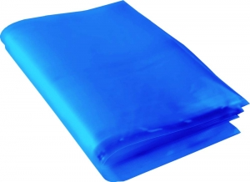 |  |  |  |  | 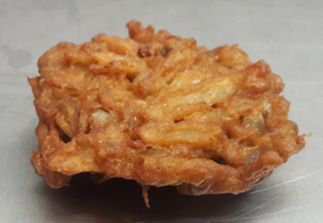

Blue Bag: 13”Wx15”Lx45mu (2% Blue Tint(to be blast freeze) food Grade - PKPMC001-05 |  |  |  |  | Onion Bhaji 40g (GFF121R): 40 Pieces (1600g)

STEP 3
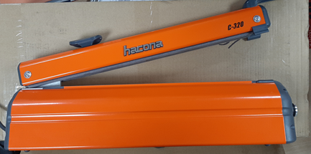 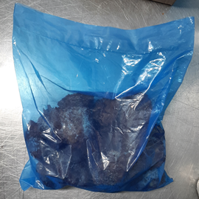

FROZEN
PACK + 1 Year

USE HAND SEALER TO SEAL THE BAG

TOTAL WEIGHT: 1600g

ALLERGY ALERT: none

